1. Title Page
Instacart Data Analysis

Project Name: Instacart Data Analysis
Date: 25/02/2025
Analyst Name: Rekha Rani

Contents:
Population Flow
Consistency checks
Wrangling steps
Column derivations
Visualizations
Recommendations

2. Population Flow
Title page

Population flow

Exclusion flag
Condition: max_order < 5
Obervations to be removed: 1,444,295
Final total count of order_products_all: 30,964,564

Orders_products_combined
Orders_products_merged
Orders_products_all

Total: 32,404,858
Total: 32,434,488
Total: 32,404,858

1.) The grey boxes in the first row of the population flow represent the original data sets as they were when you downloaded them. In the Total fields you need to add the count of the rows when you imported the data set into Jupyter.
2.) The second row of boxes (coloured) represents the data sets after you manipulated them, e.g., removed missing values and duplicates. In the Total fields you need to add the count of the rows after conducting these operations. This offers a visual oveview of how the data flows throughout the data consistency checks.
3.) The third row, where also the arrows are coloured, represents the merges you performed between the datasets. In the Total fields you need to add the count of the rows in the merged datasets, so that you end up with the final dataset (in the red box). Keep in mind the final dataset should be without exclusions (based on the exclusion flag).

3. Consistency checks
 |  |  |  | Title page
Consistency checks

Dataset | Missing values | Missing values treatment | Duplicates
orders | 206,209 in the 'days_since_prior_order' column | Flagged as first_order | No duplicates
products | 16 missing 'product_name' | Deleted rows missing data | 5 duplicates, deleted
orders_products_prior | None | None | No duplicates
customers | None | None | No duplicates

4. Wrangling steps
 |  |  |  | Title page
Wrangling steps

Columns dropped | Columns renamed | Columns' type changed | Comment/Reason
_merged | surnam to Surname | order_id | data type changed from integer to string
 | STATE to State | user_id | data type changed from integer to string
 | n_dependants to Dependants |  | better accuracy
 | order_dow to order_day_of_week |  | better accuracy

5. Column derivations
 |  |  |  | Title page

Column derivations and aggregations

Dataset | New column | Column/s it was derived from | Conditions
orders | first_order | days_since_prior_order' | NaN
ords_prods_merge | price_range | prices | if prices <= 5 then 'low-range product' if prices >5 & <= 15 then 'mid-range product' if prices > 15 then 'high-range product' else 'not enough data'
ords_prods_merge | busiest_day | orders_day_of_week | if value == 0 then 'busiest day' if value == 4 then 'least busy' else 'regularly busy'
ords_prods_merge | busiest_days | orders_day_of_week | if value == 0 or 1 then 'busiest days' if value == 3 or 4 then 'slowest days' else 'regularly busy'
ords_prods_merge | busiest_period_of_day | hour_of_day | if value == 10 or 11 then 'most orders' if value == 3 or 4 then 'fewest orders' else 'average orders'
ords_prods_merge | loyalty_flag | max_order | if value > 40 then 'loyal customer' if value <= 40 & > 10 then 'regular customer' if value < 10 then 'new customer'
ords_prods_merge | mean_spend | prices | average price per customer
ords_prods_merge | spender_flag | mean_spend | if value > 10 then 'low spender' if value >= 10 then 'high customer'
ords_prods_merge | customer_frequency | days_since_prior_order | if value < 20 then 'non_frequent_customer' if value <= 20 & > 10 then 'regular customer' if value > 10 then 'frequent customer'
orders_products_customers | region | state | State defined into regions according to this List of regions of the United States
orders_products_customers | activity_flag | max_order | if value < 5 then 'low-activity customer' if value >= 5 then 'high-activity customer'
low_activity_excluded | income_group | income | if value > 150000 then 'high income' if value >= 55000 & < 150000 then 'middle income' if value < 55000 then 'low income'
low_activity_excluded | age_group | age | if value > 64 then 'senior' if value > 44 & <= 64 then 'middle-aged' if value > 25 & <= 44 then 'adult' if value <= 25 then 'young adult'
low_activity_excluded | dependants_flag | n_dependants | if value == 0 then 'no dependants' if value >= 1 then 'has dependants'

first_order |  | price_range
False 30328763 |  | Mid-range product 673183
True 2076096 |  | Low-range product 314392
Name: count, dtype: int64 |  | High range 12425
 |  | Name: count, dtype: int64

busiest_day |  | busiest_days
Regularly busy 22416875 |  | Regularly busy 12916111
Busiest day 6204182 |  | Busiest days 11864412
Least busy 3783802 |  | Slowest days 7624336
Name: count, dtype: int64 |  | Name: count, dtype: int64

busiest_period_of_day |  | loyalty_flag
Average orders 26802436 |  | Regular customer 15876776
Most Orders 5497900 |  | Loyal customer 10284093
Fewest orders 104523 |  | New customer 6243990
Name: count, dtype: int64 |  | Name: count, dtype: int64

spending_flag |  | customer_frequency
Low spender 31770614 |  | Frequent customer 21559853
High spender 634245 |  | Regular customer 7208564
Name: count, dtype: int64 |  | Non-frequent customer 3636437
 |  | Name: count, dtype: int64

activity_flag |  | income_group
high-activity customer 30964564 |  | middle-income 22617642
low-activity customer 1440295 |  | low-income 4452388
Name: count, dtype: int64 |  | high-income 3894534
 |  | Name: count, dtype: int64

age_group |  | dependants_flag
middle-aged 9690051 |  | has dependants 23224883
adult 9214451 |  | no dependants 7739681
senior 8195544 |  | Name: count, dtype: int64
young adult 3864518
Name: count, dtype: int64

6. Visualizations
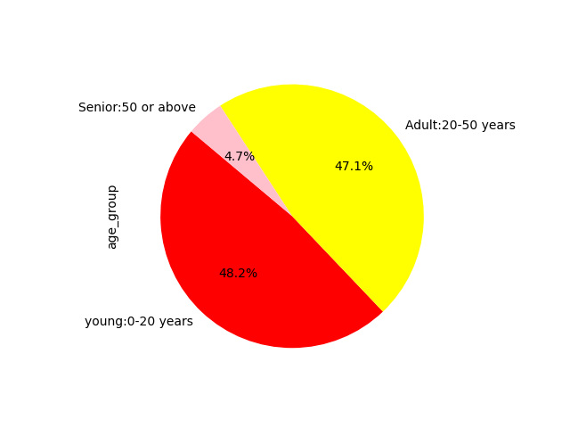
Visualisations

Question
What are the busiest days of the week and hours of the day?

Saturday and Sunday are the busiest day of the week. Tuesday and Wednesday are the least bust days of the week.
Most orders are between 9am and 4pm with a peak at 10am to 11am


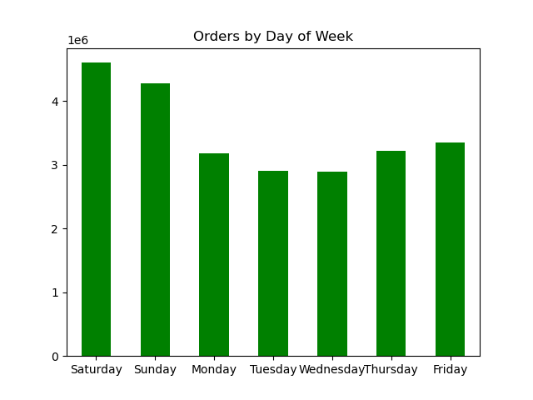

Question
Are there particular times of day when people spend the most money?

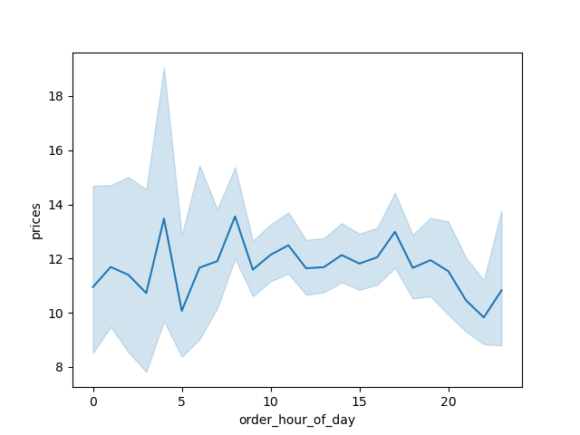

Sales are higher in the morning, but it should be noted that this is a small variation.
Additionally, sales are higher on the weekends

Question
Are there certain products that are more popular than others?

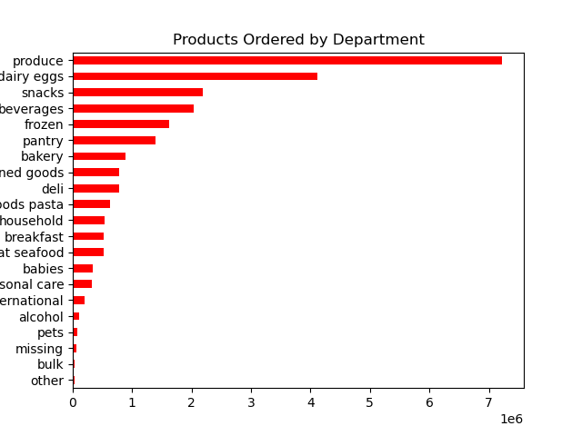

Produce, Dairy/eggs, snacks, and beverages are the biggest sellers by department
This is both in an age group and a regional breakdown as well.

Question
What is the distribution among users as to how often they return to Instacart?

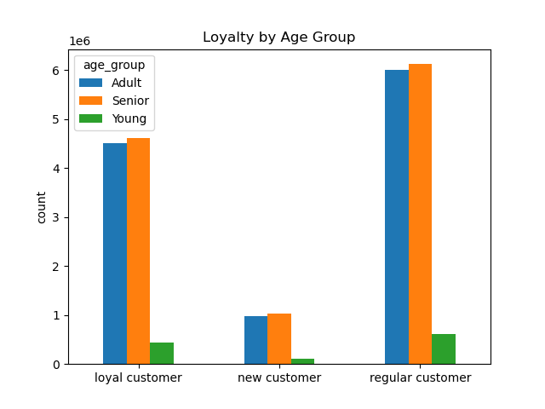
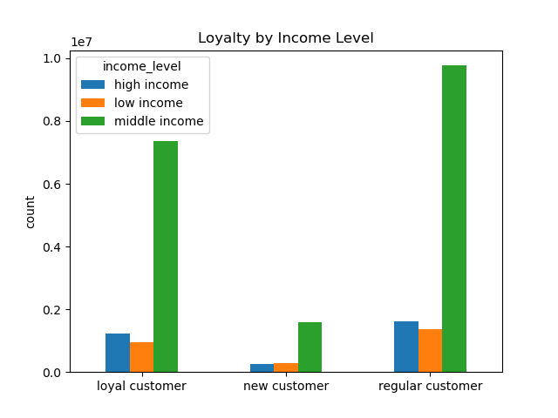

 |  | Most of the people are seniors and middle income level.

 | Question
 | Are there differences in ordering habits based on region?

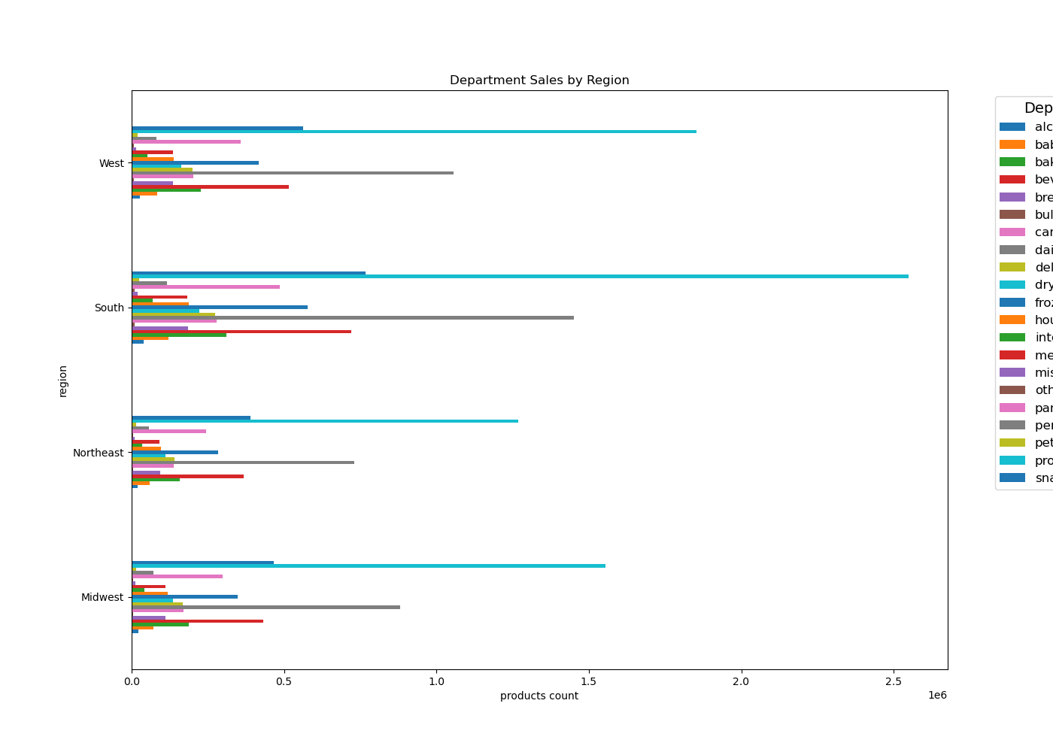

 |  | South has recorded the maximum sale.

Question
Is there a connection between age and family status and ordering habits?

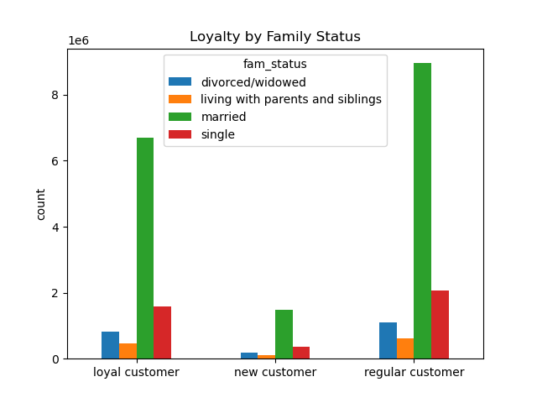

 | Most of the people are adults ,seniors and married .

 | Question
 | What different classifications does the demographic information suggest? Age? Income? Certain types of goods? Family status??

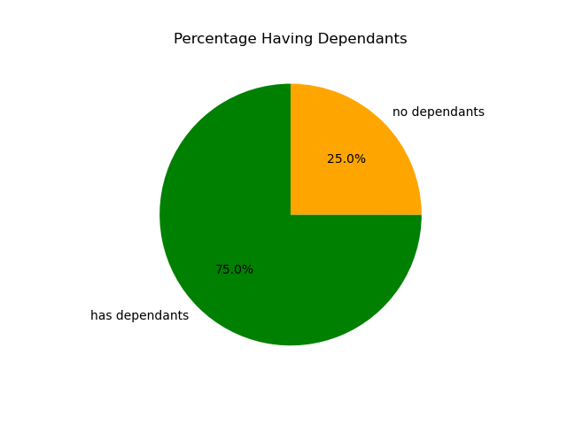
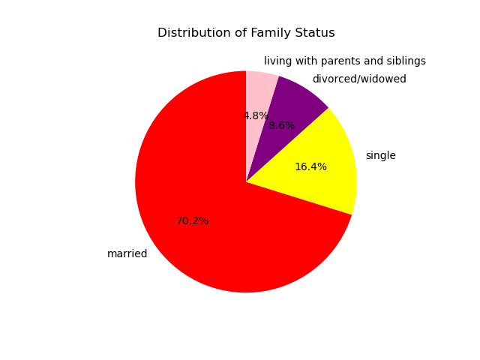
 |  | Distribution of age group

7. Recommendations
 |  |  | Title page

Recommendations

Question | Answer | Recommendations
What are the busiest days of the week and hours of the day? | Saturday and Sunday are the busiest day of the week. Tuesday and Wednesday are the least busy days of the week. Most orders come between 9am and 4pm. | Since the middle of the week is the least busy, target those days with promotions and coupons to increase sales during those periods.
Are there particular times of day when people spend the most money? | Although there is a slight variance, sales typically greater in the morning. Additionally, weekends see higher sales. | Although these differences are quite small, on the order of magnitude of 10–20 cents, sales are greater in the morning and on the weekend. There are no recommendations based on this discovery because the little variation appears to be nearly statistical in character.
Are there certain products that are more popular than others? | The top-selling items by department are produce, dairy and eggs, snacks, and drinks. | To encourage consumers to place purchases, coupons and special offers are suggested for well-known products like Produse and Dairy. To increase sales in specific areas, coupons and promotions are advised for the least popular products, such as bulk, international, and alcoholic beverages.
Are there differences in ordering habits based on loyalty status? | The majority of consumers are thought to be cheap. | Would frequent customers who spend a lot of money prefer an instant cart? Discounts on the full food buy would increase the amount spent on each order, but they would likely decrease the frequency.
Are there differences in ordering habits based on region? | Customers in the South and the West have the largest sales of produce, snacks and dariy/eggs. | In areas where there are fewer consumers, increase marketing and promotions.
What is the distribution among users as to how often they return to Instacart? Is there a connection between age and family status and ordering habits? What different classifications does the demographic information suggest? Age? Income? Certain types of goods? Family status?? | Customers in the upper income bracket are typically over 40, married, and in their middle or adult years with dependents. | Have a lot of discounts and coupons. target morning cereals, packable lunches, and other common family "what's for dinner" items. Market luxury goods to those over 40 who have high incomes.
What differences can you find in ordering habits of different customer profiles? Consider the price of orders, the frequency of orders, the products customers are ordering. | Parents in their middle years who are middle-class are the main Instacart users. Given that they would be the greater holdholds and consume more goods, this makes sense. | Is Instacart looking to expand its customer base? Are there barriers, including a lack of technological knowledge, preventing seniors from becoming more customers? Emphasizing family-friendly products may encourage customers to order instead of waiting. Which company is Instacart's rival? Other delivery services? Do you prefer to shop at a particular store? Customers shopping in the store instead of ordering? Perhaps partnering with stores that the customers get a discount of a free item for using Instacart instead of shopping at the store.

